Sheet2
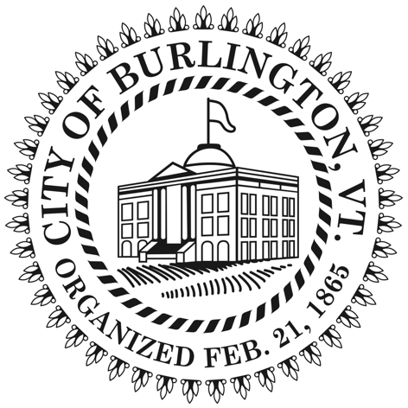 |  |  |  |  |  |  |  | Budget Performance Report Date Range 06/01/14 - 06/30/14 Include Rollup Account and Rollup to Account
 |  |  |  |  |  |  | Adopted |  | Budget | Amended | Current Month | YTD | YTD | Budget - YTD | % used/
Account |  |  |  |  | Account Description |  | Budget |  | Amendments | Budget | Transactions | Encumbrances | Transactions | Transactions | Rec'd | Prior Year Total
Fund 700 - Capital Fund - General
 | REVENUE
 |  | Department 23 - Parks and Recreation
 |  |  | Division 000 - Admin
 |  |  |  | Program 701 - Pennies for Parks
4700 |  |  |  |  | Interest / Investment Income |  | 0.00 |  | 0.00 | 0.00 | 31.31 | 0.00 | 31.31 | (31.31) | +++ | 0.00
 |  |  |  | Program 701 - Pennies for Parks Totals |  |  | $0.00 |  | $0.00 | $0.00 | $31.31 | $0.00 | $31.31 | ($31.31) | +++ | $0.00
 |  |  | Division 000 - Admin Totals |  |  |  | $0.00 |  | $0.00 | $0.00 | $31.31 | $0.00 | $31.31 | ($31.31) | +++ | $0.00
 |  | Department 23 - Parks and Recreation Totals |  |  |  |  | $0.00 |  | $0.00 | $0.00 | $31.31 | $0.00 | $31.31 | ($31.31) | +++ | $0.00
 | REVENUE TOTALS |  |  |  |  |  | $0.00 |  | $0.00 | $0.00 | $31.31 | $0.00 | $31.31 | ($31.31) | +++ | $0.00
 | EXPENSE
 |  | Department 23 - Parks and Recreation
 |  |  | Division 000 - Admin
 |  |  |  | Program 701 - Pennies for Parks
5000 |  |  |  |  | Salaries and Wages
5000_105 |  |  |  |  | Salaries and Wages Limited Service |  | 0.00 |  | 0.00 | 0.00 | 4,830.28 | 0.00 | 4,830.28 | (4,830.28) | +++ | 0.00
5000 - Salaries and Wages Totals |  |  |  |  |  |  | $0.00 |  | $0.00 | $0.00 | $4,830.28 | $0.00 | $4,830.28 | ($4,830.28) | +++ | $0.00
5400 |  |  |  |  | Employee Benefits
5400_100 |  |  |  |  | Employee Benefits FICA |  | 0.00 |  | 0.00 | 0.00 | 345.48 | 0.00 | 345.48 | (345.48) | +++ | 0.00
5400_130 |  |  |  |  | Employee Benefits Dental Insurance |  | 0.00 |  | 0.00 | 0.00 | 79.72 | 0.00 | 79.72 | (79.72) | +++ | 0.00
5400_135 |  |  |  |  | Employee Benefits Life Insurance |  | 0.00 |  | 0.00 | 0.00 | (179.60) | 0.00 | (179.60) | 179.60 | +++ | 0.00
5400 - Employee Benefits Totals |  |  |  |  |  |  | $0.00 |  | $0.00 | $0.00 | $245.60 | $0.00 | $245.60 | ($245.60) | +++ | $0.00
7303 |  |  |  |  | Regulatory and Bank Fees |  | 0.00 |  | 0.00 | 0.00 | 6.00 | 0.00 | 6.00 | (6.00) | +++ | 0.00
9500 |  |  |  |  | Capital Outlay
9500_110 |  |  |  |  | Capital Outlay Capital Expenditures |  | 0.00 |  | 0.00 | 0.00 | 95,768.04 | (40,568.28) | 95,768.04 | (55,199.76) | +++ | 0.00
9500 - Capital Outlay Totals |  |  |  |  |  |  | $0.00 |  | $0.00 | $0.00 | $95,768.04 | ($40,568.28) | $95,768.04 | ($55,199.76) | +++ | $0.00
 |  |  |  | Program 701 - Pennies for Parks Totals |  |  | $0.00 |  | $0.00 | $0.00 | $100,849.92 | ($40,568.28) | $100,849.92 | ($60,281.64) | +++ | $0.00
 |  |  | Division 000 - Admin Totals |  |  |  | $0.00 |  | $0.00 | $0.00 | $100,849.92 | ($40,568.28) | $100,849.92 | ($60,281.64) | +++ | $0.00
 |  | Department 23 - Parks and Recreation Totals |  |  |  |  | $0.00 |  | $0.00 | $0.00 | $100,849.92 | ($40,568.28) | $100,849.92 | ($60,281.64) | +++ | $0.00
 | EXPENSE TOTALS |  |  |  |  |  | $0.00 |  | $0.00 | $0.00 | $100,849.92 | ($40,568.28) | $100,849.92 | ($60,281.64) | +++ | $0.00

Fund 700 - Capital Fund - General Totals
REVENUE TOTALS |  |  |  |  |  |  | 0.00 |  | 0.00 | 0.00 | 31.31 | 0.00 | 31.31 | (31.31) | +++ | 0.00
EXPENSE TOTALS |  |  |  |  |  |  | 0.00 |  | 0.00 | 0.00 | 100,849.92 | (40,568.28) | 100,849.92 | (60,281.64) | +++ | 0.00
Fund 700 - Capital Fund - General Totals |  |  |  |  |  |  | $0.00 |  | $0.00 | $0.00 | ($100,818.61) | $40,568.28 | ($100,818.61) | $60,250.33 |  | $0.00

 |  |  |  |  |  | Grand Totals
REVENUE TOTALS |  |  |  |  |  |  | 0.00 |  | 0.00 | 0.00 | 31.31 | 0.00 | 31.31 | (31.31) | +++ | 0.00
EXPENSE TOTALS |  |  |  |  |  |  | 0.00 |  | 0.00 | 0.00 | 100,849.92 | (40,568.28) | 100,849.92 | (60,281.64) | +++ | 0.00
 |  |  |  |  |  | Grand Totals | $0.00 |  | $0.00 | $0.00 | ($100,818.61) | $40,568.28 | ($100,818.61) | $60,250.33 |  | $0.00

